Executive Summary
Executive Summary
This report presents a comprehensive financial statement analysis of Asian Paints over the recent financial years. The objective of the study is to evaluate the company’s financial performance, operational efficiency, capital structure, and growth trends through detailed analysis of its financial statements.
The analysis includes examination of the income statement, balance sheet, and cash flow statement along with common-size analysis, ratio analysis, and trend analysis. These tools provide insights into the company’s profitability, liquidity, solvency, efficiency, and overall financial stability.
The results indicate that Asian Paints maintains a strong financial position supported by consistent revenue generation, stable operating margins, and a conservative capital structure. The company has demonstrated strong operational cash generation and efficient utilization of assets over the years. However, recent trends indicate some moderation in profitability and revenue growth, reflecting evolving market conditions and increasing competition within the paint industry.
Overall, the financial analysis suggests that Asian Paints remains a financially sound and well-established market leader with strong brand presence, extensive distribution capabilities, and disciplined financial management. The findings of the report highlight both the strengths and potential challenges facing the company, providing insights into its long-term financial sustainability and strategic positioning.

Introduction
Introduction
Financial statement analysis is an essential tool for evaluating the financial health and operational efficiency of a company. By examining financial statements and applying analytical techniques such as ratio analysis and trend analysis, stakeholders can better understand a company’s financial performance and strategic position.
This report focuses on analyzing the financial statements of Asian Paints, one of India’s largest and most established paint and home décor companies. Founded in 1942 and headquartered in Mumbai, the company has grown into a leading multinational paint manufacturer with operations across several countries and a strong presence in the decorative and industrial coatings market.
Through systematic analysis of financial data, the study aims to assess the company’s financial performance, identify key financial trends, and evaluate its ability to generate sustainable returns for stakeholders.
Purpose of the Study
The primary purpose of this study is to analyze the financial performance of Asian Paints by examining its financial statements over a selected period. The study aims to evaluate the company’s profitability, liquidity, solvency, and operational efficiency using various financial analysis techniques.
Additionally, the study seeks to identify financial trends, understand the company’s financial strengths and potential concerns, and assess how effectively the company manages its financial resources. The findings of the analysis help in understanding the company’s overall financial stability and long-term sustainability.
Scope of Analysis
The scope of this analysis is limited to the financial statements of Asian Paints for the selected financial years. The study focuses primarily on analyzing the company’s income statement, balance sheet, and cash flow statement to understand its financial performance and position.
The analysis includes common-size analysis, ratio analysis, and trend analysis to evaluate different aspects of the company’s financial health. The study also examines the company’s capital structure, asset utilization, and profitability trends to provide a comprehensive understanding of its financial performance.
However, the study is limited to publicly available financial data and does not consider non-financial or qualitative factors such as management decisions, macroeconomic influences, or industry-wide policy changes beyond what is reflected in financial disclosures.
Research Methodology
The research methodology adopted for this study is based on quantitative financial analysis using secondary data obtained from reliable sources.
The primary source of data for the analysis is the published annual reports of Asian Paints, which provide detailed financial statements including the income statement, balance sheet, and cash flow statement. Additional information has been obtained from the company’s investor relations website and financial databases.
The analysis was conducted using various financial tools and techniques such as common-size financial statements, ratio analysis, and trend analysis. These methods help evaluate the company’s financial performance across different dimensions including profitability, liquidity, solvency, and efficiency.
The financial data extracted from the company’s reports was organized and analyzed using spreadsheet models, allowing systematic calculation of ratios, trends, and other financial indicators to support the findings of the study.

Company_Profile
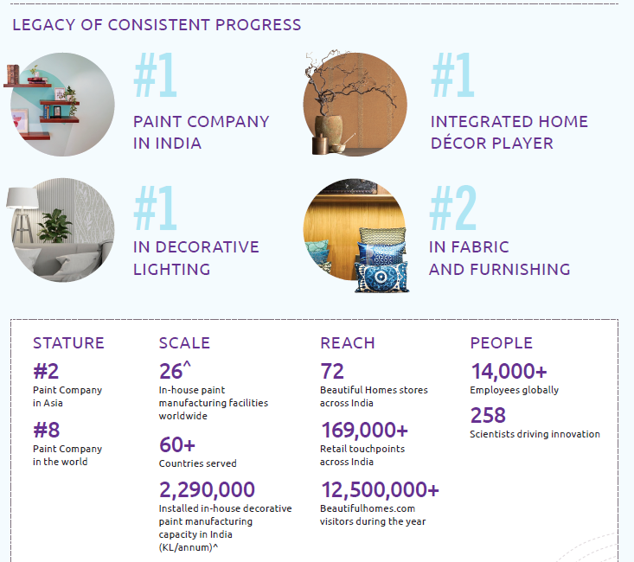

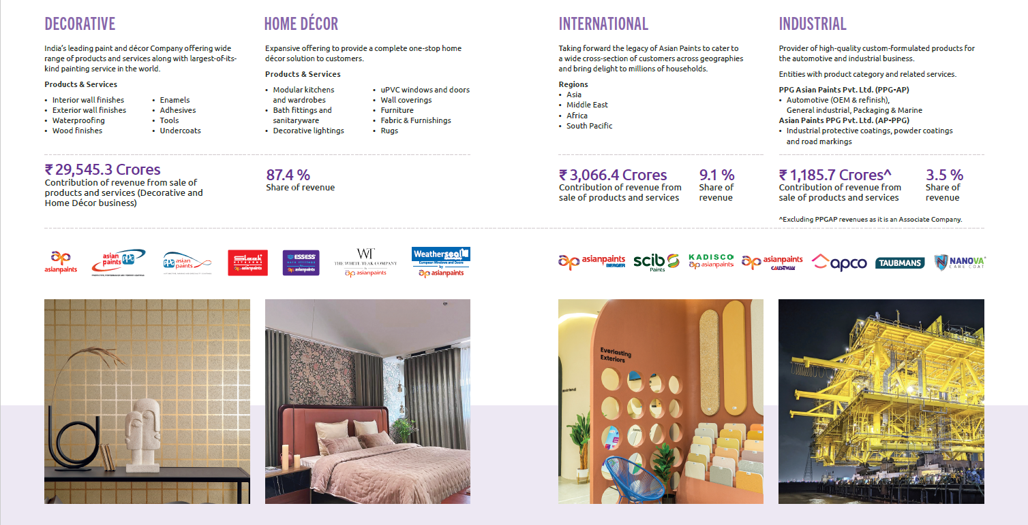
About Asian Paints
Asian Paints was founded in 1942 and has grown to become India’s largest paint company and one of the leading paint manufacturers globally.
The company is a producer of coatings for commercial industries and municipalities, supplying products across residential, industrial, and infrastructure sectors.
Asian Paints provides a comprehensive suite of decorative solutions for the entire home, positioning itself not only as a paint manufacturer but also as a home décor and home improvement solutions provider.
The company’s product portfolio includes both Decorative Paints and Industrial Coatings, catering to residential, commercial, automotive, and industrial applications.
Asian Paints currently operates in 14 countries and manages 26 paint manufacturing facilities worldwide, serving consumers across more than 60 markets.
The company maintains a strong global presence through its subsidiaries and international operations, combining both Indian expertise and global capabilities.
Key subsidiaries of Asian Paints include:
Berger International
SCIB Paints
Taubmans
APCO Coatings
Ess Ess Bath Fittings
The company has also established strategic joint ventures, including:
PPG Asian Paints for automotive and industrial coatings
Sleek International for modular kitchens and home improvement solutions
Through its global network, manufacturing capacity, and diversified product portfolio, Asian Paints has built a strong competitive position in the decorative and industrial coatings industry.
Products & services offered
Business Segments

Industry & Business Model
Industry Overview
The paint industry is closely linked to the construction, infrastructure, automotive, and industrial sectors. In India, the industry is broadly divided into decorative paints and industrial coatings.
Decorative paints account for the majority of market demand, contributing roughly 70–75% of the total paint market in India, driven by housing construction, renovation activity, and rising disposable income. Industrial coatings make up the remaining share and are used in automotive manufacturing, industrial equipment, and infrastructure projects.
The Indian paint industry has experienced steady growth over the past decade due to factors such as urbanization, increasing real estate development, and rising consumer demand for premium home décor products. Asian Paints holds a dominant position in the decorative paint segment and competes with several domestic and multinational players in the market.
Revenue Model
Asian Paints primarily generates revenue through the manufacturing and sale of paints, coatings, and home décor products across domestic and international markets. The company follows a dealer-driven distribution model, supplying products through its large network of distributors and retailers.
A substantial portion of the company’s revenue is derived from the decorative paints segment, supported by strong demand in the residential housing and renovation markets. The company also generates revenue from industrial coatings and home improvement products, which diversify its revenue streams.
The company’s extensive distribution network, strong brand recognition, and continuous product innovation allow it to maintain a strong revenue base and competitive advantage within the paint industry.
Recent Developments
FY2024–FY2025: Increasing Competitive Pressure in the Paint Industry
During FY2024–FY2025, the Indian paint industry experienced intensified competition due to the entry of Birla Opus, the paint division of Grasim Industries. The new entrant launched operations in February 2024 with a large investment of around ₹10,000 crore aimed at establishing manufacturing capacity and expanding its dealer network across India.
This aggressive market entry has increased competition within the decorative paints segment. As a result, Asian Paints’ market share declined from around 59% to approximately 52% during the period, reflecting the impact of new competition and changing market dynamics.
FY2024–FY2025: Expansion of Home Décor and Product Portfolio
Asian Paints has continued to expand beyond traditional paints into home décor and improvement solutions, including waterproofing products, adhesives, modular kitchens, and bath fittings. These initiatives aim to position the company as a comprehensive home décor solutions provider rather than solely a paint manufacturer.
FY2025: Strategic Response to Competitive Environment
In response to increasing industry competition and slower demand growth, Asian Paints has strengthened its strategy by focusing on product innovation, improved dealer engagement, and enhanced marketing initiatives. The company has also increased its emphasis on premium products and differentiated offerings to maintain its market leadership.

CFS_Analysis
Consolidated Statement of Cash Flows
The cash flow statement reflects the company’s ability to generate cash from its core operations while funding investments and shareholder distributions.
Cash flow from operating activities remains the primary source of cash generation throughout the period. Operating cash flow weakened significantly in FY2022, which aligns with the period of pressure on profitability due to higher raw material costs and working capital requirements. However, operating cash flows recovered strongly in FY2023 and FY2024 as margins improved and business activity strengthened. The decline in FY2025 suggests moderation in operational performance and possibly higher working capital absorption.
Cash flow from investing activities remains consistently negative, reflecting ongoing capital expenditure and investments in production capacity, distribution infrastructure, and technology. The higher outflow in FY2024 indicates increased investment activity during the period of strong revenue growth.
Cash flow from financing activities is also consistently negative, primarily reflecting dividend payments and occasional repayment of borrowings. The increasing financing outflows in recent years indicate higher shareholder distributions and debt servicing obligations.
Overall, the company demonstrates a cash flow structure typical of a mature, profitable manufacturing firm, where strong operating cash flows fund investment activities and shareholder payouts while maintaining relatively stable liquidity levels.
 | Particulars (₹ in Crores) | FY 2021 | FY 2022 | FY 2023 | FY 2024 | FY 2025
 | Cash Flow from Operating Activities (CFO) | 3,683 | 986 | 4,193 | 6,103 | 4,423
 | Cash Flow from Investing Activities (CFI) | (547) | (321) | (1,274) | (2,517) | (874)
 | Cash Flow from Financing Activities (CFF) | (650) | (1,807) | (2,140) | (2,982) | (3,752)
 | Net Change in Cash | 2,486 | (1,142) | 779 | 604 | (203)

Common Size_IS
 |  | 3 | 4 | 5 | 6 | 7 | 8
Common-Size Income Statement (with Revenue from Operations as base)
Analysis & Interpretation (Common-Size Income Statement)
The common-size income statement expresses each component of the income statement as a percentage of revenue from operations, enabling an evaluation of cost structure and profitability trends over time.
Revenue from operations consistently forms 100% of the base, while other income contributes a small proportion ranging between 1.1% and 1.9% during the period. This indicates that the company primarily generates income from its core business activities rather than relying on non-operating sources.
The cost of materials consumed represents the largest expense component, fluctuating between 44.7% and 55.9% of revenue. This reflects the raw-material-intensive nature of the paint manufacturing industry, where input prices such as crude derivatives and chemicals significantly influence costs. Purchases of stock-in-trade also account for a noticeable portion of expenses, ranging between 7.6% and 12.0%, indicating the company’s distribution and trading activities.
Employee benefit expenses remain relatively stable between 5.9% and 7.7% of revenue, reflecting consistent workforce costs. Other expenses, which include selling, administrative, and distribution costs, account for approximately 14.5% to 17.1% of revenue, highlighting the company’s extensive distribution network and marketing activities.
Total expenses vary between 77.6% and 83.5% of revenue, indicating fluctuations in input costs and operational spending. Despite these variations, the company maintains strong operational performance.
EBITDA margins range between 17.8% and 23.8%, demonstrating the company’s ability to maintain healthy operating profitability. Similarly, EBIT margins remain robust, fluctuating between 15.0% and 20.9% over the period.
Finance costs remain minimal, accounting for less than 1% of revenue, which indicates low dependence on debt financing. As a result, the company maintains strong profitability levels.
The net profit margin (PAT) ranges between 10.6% and 15.7%, reflecting efficient cost management and strong demand for the company’s products. Overall, the common-size analysis highlights Asian Paints’ strong operational efficiency, stable cost structure, and consistent profitability over the years.
 | Particulars | FY 2020 | FY 2021 | FY 2022 | FY 2023 | FY 2024 | FY 2025
5 | Revenue From Operations | 100.00% | 100.00% | 100.00% | 100.00% | 100.00% | 100.00%
6 | Other Income | 1.51% | 1.40% | 1.31% | 1.12% | 1.94% | 1.69%
7 | Total Income | 101.51% | 101.40% | 101.31% | 101.12% | 101.94% | 101.69%

9 | Expenses | 0.00% | 0.00% | 0.00% | 0.00% | 0.00% | 0.00%
10 | Cost of Materials Consumed | 49.93% | 47.52% | 55.86% | 50.25% | 44.71% | 46.58%
11 | Purchases of Stock-in-Trade | 7.57% | 8.62% | 11.58% | 11.99% | 10.87% | 11.58%
12 | Changes in inventories | (1.18%) | (0.43%) | (4.55%) | (0.90%) | 1.02% | (0.60%)
13 | Employee Benefits Expense | 6.76% | 7.10% | 6.14% | 5.88% | 6.55% | 7.66%
14 | Other Expenses | 16.33% | 14.83% | 14.47% | 14.63% | 15.48% | 17.07%
15 | Total Expenses | 79.41% | 77.64% | 83.49% | 81.85% | 78.63% | 82.29%

17 | EBITDA | 22.10% | 23.76% | 17.81% | 19.27% | 23.31% | 19.40%
18 | Depreciation and Amortisation Expense | 3.86% | 3.64% | 2.81% | 2.49% | 2.40% | 3.03%
19 | EBIT | 18.24% | 20.11% | 15.01% | 16.78% | 20.90% | 16.38%
20 | Finance Costs | 0.51% | 0.42% | 0.33% | 0.42% | 0.58% | 0.67%
21 | Profit Before Share Of Profit In Associates And Exceptional Items | 17.73% | 19.69% | 14.68% | 16.36% | 20.33% | 15.71%
22 | Share of profit in Associates | 0.25% | 0.13% | 0.11% | 0.27% | 0.37% | 0.42%
23 | Profit Before Exceptional Items And Tax | 17.98% | 19.82% | 14.79% | 16.64% | 20.70% | 16.12%
24 | Exceptional Items | 0.00% | 0.00% | 0.40% | 0.14% | 0.00% | 1.07%
25 | EBT | 17.98% | 19.82% | 14.39% | 16.49% | 20.70% | 15.05%
26 | Tax expense | 4.23% | 5.06% | 3.79% | 4.33% | 5.04% | 4.11%
27 | PAT | 13.75% | 14.77% | 10.60% | 12.16% | 15.66% | 10.94%

Common_Size_BS
 |  | 3 | 4 | 5 | 6 | 7 | 8
Common-Size balance Sheet (with Total Assets as base)

Analysis & Interpretation (Common-Size Balance Sheet)
The common-size balance sheet expresses each balance sheet item as a percentage of total assets, allowing an evaluation of the company’s capital structure and asset composition over time.
The equity component represents the largest portion of the company’s financing structure, accounting for approximately 61.8% to 66.0% of total assets during the period. This indicates that the company relies primarily on equity financing rather than external borrowings. Equity share capital forms a very small proportion of total assets (around 0.3% to 0.6%), while the majority of equity consists of retained earnings and reserves reflected in other equity.
Non-controlling interests remain relatively small, ranging between 1.7% and 2.5%, indicating limited minority ownership in the company’s consolidated structure.
Total liabilities account for a smaller share compared to equity. Non-current liabilities range between 5.3% and 7.7% of total assets, suggesting a relatively low long-term debt burden. Long-term borrowings fluctuate between 2.8% and 4.6%, indicating conservative leverage levels.
Current liabilities account for approximately 26.8% to 32.9% of total assets, primarily driven by trade payables and other current liabilities. Trade payables represent a significant portion, reflecting the company’s strong supplier network and credit terms.
From the asset perspective, non-current assets account for roughly 34.1% to 53.1% of total assets, reflecting investments in property, plant, equipment, and other long-term assets. Current assets represent a significant portion of the balance sheet, ranging between 46.9% and 65.9%, indicating strong working capital management.
Inventories form a substantial component of current assets, ranging between 18.6% and 26.8% of total assets, which is typical for manufacturing companies with extensive product lines. Trade receivables account for approximately 11.1% to 18.0%, reflecting the company’s distribution and credit sales structure.
Cash and cash equivalents remain relatively moderate, fluctuating between 2.6% and 4.8%, indicating that the company maintains sufficient liquidity while efficiently utilizing its funds.
Overall, the balance sheet structure reflects a financially stable company with strong equity backing, moderate liabilities, and a well-balanced asset structure, supporting its long-term growth and operational stability.
 | Particulars | FY 2020 | FY 2021 | FY 2022 | FY 2023 | FY 2024 | FY 2025
 | Equity & Liabilities
 | Equity
7 | Equity Share Capital | 0.6% | 0.5% | 0.4% | 0.4% | 0.3% | 0.3%
8 | Other Equity | 62.1% | 62.4% | 59.7% | 61.6% | 62.3% | 63.6%
9 | Equity attributable to owners | 62.7% | 62.9% | 60.1% | 62.0% | 62.6% | 63.9%
10 | Non-Controlling Interests | 2.5% | 2.1% | 1.7% | 1.8% | 2.3% | 2.2%
11 | Total Equity | 65.2% | 64.9% | 61.8% | 63.7% | 64.9% | 66.0%

 | Liabilities
14 | Non-Current Liabilities
15 | Long Term Borrowings | 3.8% | 2.8% | 2.8% | 3.1% | 3.8% | 4.6%
16 | Other Non-Current Liabilities | 3.9% | 3.1% | 2.5% | 2.5% | 2.8% | 2.6%
17 | Total Non-Current Liabilities | 7.7% | 6.0% | 5.3% | 5.6% | 6.7% | 7.1%

 | Current Liabilities
20 | Short Term Borrowings | 3.1% | 2.5% | 4.1% | 4.4% | 4.4% | 3.0%
21 | Trade Payables | 13.2% | 16.6% | 18.1% | 14.1% | 12.8% | 12.7%
22 | Other Current Liabilities | 10.8% | 10.0% | 10.7% | 12.1% | 11.2% | 11.1%
23 | Total Current Liabilities | 27.1% | 29.1% | 32.9% | 30.6% | 28.4% | 26.8%
24 | TOTAL EQUITIES & LIABILITIES | 100.0% | 100.0% | 100.0% | 100.0% | 100.0% | 100.0%

26 | Assets
27 | Total Non-Current Assets | 53.1% | 41.0% | 34.1% | 35.9% | 41.4% | 44.1%

 | Current Assets
30 | Inventories | 21.0% | 18.6% | 26.8% | 24.1% | 19.8% | 22.1%
31 | Trade Receivables | 11.1% | 12.8% | 16.8% | 18.0% | 16.3% | 14.2%
32 | Cash, Bank & Cash Equivalents | 4.8% | 3.0% | 3.8% | 3.3% | 3.6% | 2.6%
33 | Other Current Assets | 10.0% | 24.6% | 18.5% | 18.8% | 18.8% | 17.0%
34 | Total Current Assets | 46.9% | 59.0% | 65.9% | 64.1% | 58.6% | 55.9%
35 | TOTAL ASSETS | 100.0% | 100.0% | 100.0% | 100.0% | 100.0% | 100.0%

Ratio_Analysis
Ratio Analysis
Profitability Ratios
Profitability shows a clear dip around FY2022 followed by recovery and then moderation in FY2025. This pattern suggests that profitability was temporarily compressed and later improved before easing again in the latest year. Returns on assets and equity follow the same trajectory as margins, indicating that changes in profitability rather than leverage or asset expansion were the primary driver of shareholder returns.
Liquidity Ratios
Liquidity strengthened compared to the starting year and then remained broadly stable. Both indicators suggest that the company maintains consistent working capital coverage, with liquid assets sufficient to support short-term obligations without significant reliance on inventory liquidation.
Solvency Ratios
Leverage remains structurally low throughout the period, indicating that the company relies predominantly on internal accruals and equity financing. Despite minor fluctuations in borrowing levels, operating earnings remain substantially higher than interest obligations, reflecting very low financial risk and strong debt servicing capacity.
Efficiency Ratios
Efficiency indicators suggest gradual moderation in asset and working capital turnover compared with earlier years. Inventory movement has slowed slightly, while receivable turnover indicates longer collection cycles relative to the beginning of the period. Asset turnover also shows a mild decline in the latest year, suggesting revenue growth has not increased proportionately with the asset base.
Market Ratios
Market valuation indicators show significant expansion in earnings up to FY2024 followed by moderation in FY2025, which is reflected in the movement of the price-earnings multiple. The consistently high payout ratio indicates a stable dividend distribution policy, suggesting the company returns a substantial portion of earnings to shareholders while maintaining adequate retained earnings.
 | Profitability Ratios | FY 2020 | FY 2021 | FY 2022 | FY 2023 | FY 2024 | FY 2025
 | Operating Profit Margin | 18.2% | 20.1% | 15.0% | 16.8% | 20.9% | 16.4%
 | Net Profit Margin | 13.8% | 14.8% | 10.6% | 12.2% | 15.7% | 10.9%
 | Return on Assets (ROA) | 17.2% | 15.7% | 13.4% | 16.3% | 18.6% | 12.2%
 | Return on Equity (ROE) | 26.4% | 24.2% | 21.7% | 25.5% | 28.6% | 18.5%

 | Liquidity Ratios | FY 2020 | FY 2021 | FY 2022 | FY 2023 | FY 2024 | FY 2025
 | Current Ratio | 1.73 | 2.03 | 2.00 | 2.09 | 2.06 | 2.09
 | Quick Ratio | 0.96 | 1.39 | 1.19 | 1.31 | 1.37 | 1.26

 | Solvency Ratios | FY 2020 | FY 2021 | FY 2022 | FY 2023 | FY 2024 | FY 2025
 | Debt to Equity Ratio | 0.10 | 0.08 | 0.11 | 0.12 | 0.13 | 0.11
 | Debt Ratio | 0.07 | 0.05 | 0.07 | 0.07 | 0.08 | 0.08
 | Interest Coverage Ratio | 36.02 | 47.66 | 45.77 | 40.07 | 36.16 | 24.46

 | Efficiency Ratios | FY 2020 | FY 2021 | FY 2022 | FY 2023 | FY 2024 | FY 2025
 | Inventory Turnover | 2.98 | 2.72 | 2.64 | 2.79 | 2.68 | 2.35
 | Receivable Turnover | 11.26 | 8.34 | 7.52 | 7.44 | 7.26 | 7.86
 | Asset Turnover | 1.25 | 1.07 | 1.27 | 1.34 | 1.19 | 1.12

 | Market Ratios | FY 2020 | FY 2021 | FY 2022 | FY 2023 | FY 2024 | FY 2025
 | Earnings Per Share | 28.97 | 33.43 | 32.16 | 43.74 | 57.94 | 38.68
 | Price Earnings Ratio | 57.52 | 75.90 | 95.77 | 63.14 | 49.13 | 60.52
 | Dividend Payout Ratio | 51.1% | 56.1% | 58.6% | 60.0% | 60.0% | 60.0%

 | MPS as on year end | 1666.50 | 2537.40 | 3079.95 | 2761.65 | 2846.75 | 2340.65

Trend_Analysis
 |  | 4 | 5 | 6 | 7 | 8
Trend Analysis
Revenue Trend
 | Revenue From Operations | Growth (%)
FY 2021 | 21,713 | 7.4%
FY 2022 | 29,101 | 34.0%
FY 2023 | 34,489 | 18.5%
FY 2024 | 35,495 | 2.9%
FY 2025 | 33,906 | (4.5%)
PAT Trend
 | PAT | Growth (%)
FY 2021 | 3,207 | 15.4%
FY 2022 | 3,085 | (3.8%)
FY 2023 | 4,195 | 36.0%
FY 2024 | 5,558 | 32.5%
FY 2025 | 3,710 | (33.3%)
Total Assets Trend
 | Total Assets | Growth (%)
FY 2021 | 20,370 | 26.1%
FY 2022 | 22,984 | 12.8%
FY 2023 | 25,798 | 12.2%
FY 2024 | 29,924 | 16.0%
FY 2025 | 30,371 | 1.5%
Total Debt Trend
 | Total Debt | Growth (%)
FY 2021 | 1,093 | (1.0%)
FY 2022 | 1,587 | 45.2%
FY 2023 | 1,933 | 21.8%
FY 2024 | 2,474 | 28.0%
FY 2025 | 2,290 | (7.4%)
 | Particulars | FY 2021 | FY 2022 | FY 2023 | FY 2024 | FY 2025
5 | Revenue From Operations | 21,713 | 29,101 | 34,489 | 35,495 | 33,906
 | Growth (%) | 7.4% | 34.0% | 18.5% | 2.9% | (4.5%)

27 | PAT | 3,207 | 3,085 | 4,195 | 5,558 | 3,710
 | Growth (%) | 15.4% | (3.8%) | 36.0% | 32.5% | (33.3%)

35 | Total Assets | 20,370 | 22,984 | 25,798 | 29,924 | 30,371
 | Growth (%) | 26.1% | 12.8% | 12.2% | 16.0% | 1.5%

40 | Total Debt | 1,093 | 1,587 | 1,933 | 2,474 | 2,290
 | Growth (%) | (1.0%) | 45.2% | 21.8% | 28.0% | (7.4%)

Revenue growth accelerated sharply in FY2022 and FY2023, followed by a slowdown in FY2024 and a decline in FY2025. The strong growth in FY2022–FY2023 likely reflects the post-pandemic recovery in construction and housing activity, which significantly boosted demand for decorative paints. Additionally, Asian Paints implemented multiple price increases during FY2022 to offset rising raw material costs, which supported revenue expansion even when margins were under pressure.
The moderation in FY2024 and contraction in FY2025 suggest weakening demand momentum and increasing competitive intensity in the paint industry. The entry of new large players and slower growth in urban housing demand likely constrained revenue expansion despite the company’s strong distribution network.
Profitability shows a different trajectory from revenue. Profit declined in FY2022 despite strong revenue growth, indicating margin pressure due to sharp increases in raw material prices, particularly crude-derived inputs used in paint manufacturing. As input costs stabilized and price increases were absorbed in the market, profitability improved significantly in FY2023 and FY2024.
The sharp decline in profit in FY2025, despite only a moderate drop in revenue, suggests margin compression rather than a major demand collapse. This could reflect increased price competition, higher operating expenses, or changes in product mix affecting profitability.
Total assets expanded steadily throughout the period, indicating continuous investment in production capacity, distribution infrastructure, and working capital. The higher asset growth in FY2021 reflects post-pandemic operational expansion and normalization of supply chains.
Growth in assets moderated significantly in FY2025, suggesting that the company may have slowed capital expenditure or optimized working capital in response to softer demand conditions and uncertain market dynamics.
Debt levels increased noticeably between FY2022 and FY2024, which likely reflects short-term financing requirements associated with higher working capital and expansion activities during the period of strong revenue growth. However, the decline in debt in FY2025 indicates that the company reduced borrowings as revenue growth slowed and internal cash flows were sufficient to support operations.
Despite these fluctuations, debt levels remain relatively low compared to the company’s asset base, reflecting Asian Paints’ conservative financial structure and reliance on internal funding rather than leverage.

Conclusion
Financial Issues (Key Financial Concerns)
Despite maintaining strong financial performance, certain financial concerns can be identified from the company’s recent trends and ratio analysis.
One key issue is the decline in profitability in the most recent year. Although revenue experienced only a moderate contraction, profit declined significantly, indicating pressure on operating margins. This suggests that cost increases or pricing pressures may be affecting profitability.
Another concern is the gradual decline in operational efficiency indicators, particularly inventory turnover and receivable turnover. The slower movement of inventory and longer collection cycles suggest that working capital efficiency has slightly weakened compared to earlier years.
The company also experienced moderation in revenue growth after FY2023, which may reflect softer demand conditions and increasing competition in the paint industry. Slower revenue growth combined with margin pressure could affect future profitability if the trend continues.
Finally, although the company maintains a conservative capital structure, borrowings increased during the expansion period before declining slightly in the latest year, indicating temporary reliance on external financing during periods of growth.

Strategic Recommendations
To address the identified financial issues and sustain long-term growth, several strategic measures can be considered.
First, the company should focus on improving cost efficiency and managing raw material volatility, as input costs significantly influence profitability in the paint industry. Strengthening supply chain management and optimizing procurement strategies could help stabilize margins.
Second, improving working capital management could enhance operational efficiency. Measures such as better inventory planning, demand forecasting, and improved receivable management can help accelerate cash conversion cycles.
Third, the company should continue to strengthen its product innovation and premium product portfolio, which can support higher margins and differentiate it from increasing competition in the market.
Finally, expanding into new geographic markets and distribution channels could help sustain revenue growth and reduce dependence on traditional demand segments.

Conclusion
The financial analysis of Asian Paints indicates that the company maintains a strong financial position supported by stable profitability, efficient asset utilization, and a conservative capital structure. The company has demonstrated consistent revenue growth over the years and maintains strong returns for shareholders.
However, recent trends indicate some challenges, including pressure on profitability, slower revenue growth, and slight moderation in operational efficiency. These factors highlight the importance of effective cost management and strategic initiatives to maintain competitive advantage.
Overall, Asian Paints remains financially sound and well-positioned within the industry, supported by its strong brand presence, extensive distribution network, and disciplined financial management.

